result
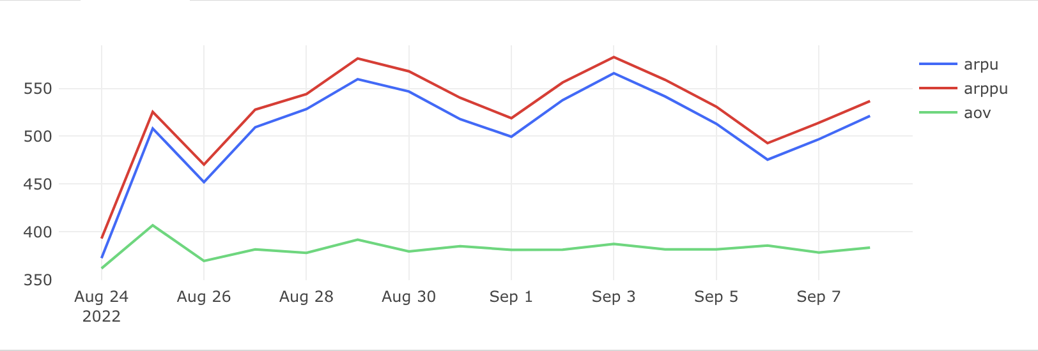
date | arpu | arppu | aov
2022-08-24 | 372.57 | 393.1 | 361.77
2022-08-25 | 508.09 | 525.44 | 406.86
2022-08-26 | 452.04 | 470.33 | 369.57
2022-08-27 | 509.38 | 527.81 | 381.62
2022-08-28 | 528.38 | 544.1 | 378.04
2022-08-29 | 559.64 | 581.24 | 391.76
2022-08-30 | 546.74 | 567.85 | 379.52
2022-08-31 | 517.84 | 540.21 | 384.96
2022-09-01 | 499.5 | 518.86 | 381.26
2022-09-02 | 537.67 | 556.17 | 381.35
2022-09-03 | 565.9 | 582.76 | 387.28
2022-09-04 | 541.55 | 558.97 | 381.7
2022-09-05 | 512.99 | 530.84 | 381.75
2022-09-06 | 475.5 | 492.75 | 385.67
2022-09-07 | 496.78 | 514.02 | 378.44
2022-09-08 | 521.23 | 536.68 | 383.54
 |  |  |  | with paying_users_1 as (
 |  |  |  | select count(distinct user_id) as users,
 |  |  |  | time::date as date
 |  |  |  | from user_actions
 |  |  |  | where action != 'cancel_order'
 |  |  |  | and action = 'create_order'
 |  |  |  | group by date
 |  |  |  | )
 |  |  |  | , paying_users as (SELECT time::date as date,
 |  |  |  | count(distinct user_id) as paying_users
 |  |  |  | FROM user_actions
 |  |  |  | WHERE order_id not in (SELECT order_id
 |  |  |  | FROM user_actions
 |  |  |  | WHERE action = 'cancel_order')
 |  |  |  | GROUP BY date)
 |  |  |  | , revenue_for_day_start as (
 |  |  |  | select date_1, order_id, price
 |  |  |  | from (
 |  |  |  | select creation_time::date as date_1, order_id, unnest(product_ids) as product_id
 |  |  |  | from orders
 |  |  |  | ) t
 |  |  |  | left join products p on t.product_id = p.product_id
 |  |  |  | )
 |  |  |  | , counts_order as (
 |  |  |  | select creation_time::date as date_2, count(order_id) as orders_count
 |  |  |  | from orders
 |  |  |  | where order_id not in (select order_id from user_actions where action= 'cancel_order')
 |  |  |  | group by 1

 |  |  |  | )
 |  |  |  | ,revenue_for_day_end as(
 |  |  |  | select distinct date_1, sum(price) over(partition by date_1) as revenue
 |  |  |  | from revenue_for_day_start
 |  |  |  | where order_id not in (select order_id from user_actions where action = 'cancel_order')
 |  |  |  | order by date_1)

 |  |  |  | select pu1.date,
 |  |  |  | round(revenue / users, 2) as arpu,
 |  |  |  | round(revenue / paying_users, 2) as arppu,
 |  |  |  | round(revenue / orders_count, 2) as aov
 |  |  |  | from revenue_for_day_end rf
 |  |  |  | left join paying_users_1 pu1 on pu1.date = rf.date_1
 |  |  |  | left join paying_users pu on pu.date = rf.date_1
 |  |  |  | left join counts_order co on rf.date_1 = co.date_2

